US Midwest 1
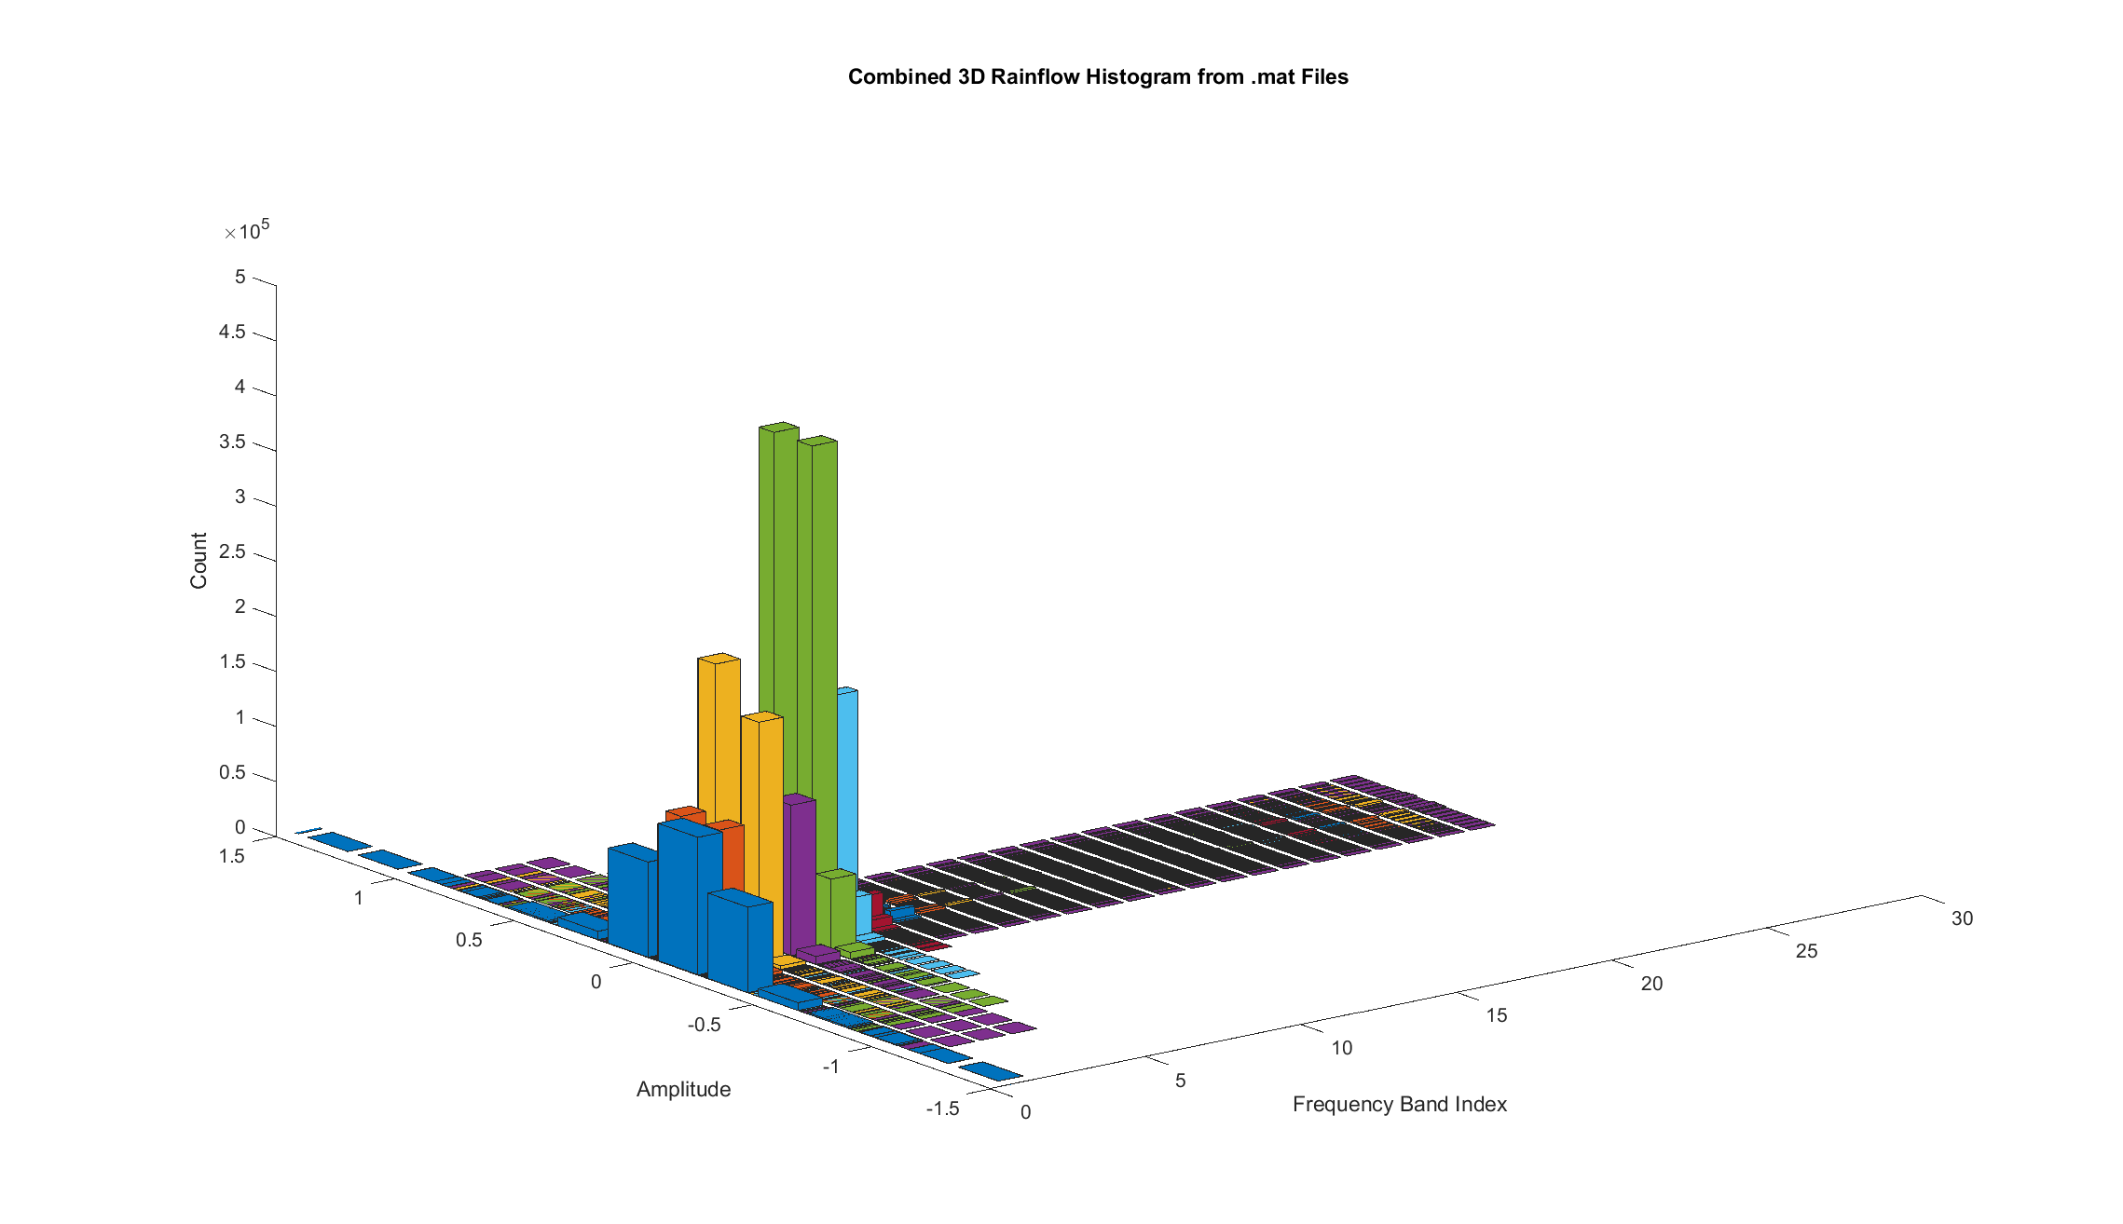
Google US Field Data | Midwest 1
Total Duration: | 14.02 Hours
Date: | 2018-07-01

Edges (G): | Upper Frequency (hz): | 5 | 9 | 13 | 17 | 21 | 25 | 29 | 33 | 37 | 41 | 45 | 49 | 53 | 57 | 61 | 65 | 69 | 73 | 77 | 81 | 85 | 89 | 93 | 97 | 101
 | Lower Frequency (hz): | 1 | 5 | 9 | 13 | 17 | 21 | 25 | 29 | 33 | 37 | 41 | 45 | 49 | 53 | 57 | 61 | 65 | 69 | 73 | 77 | 81 | 85 | 89 | 93 | 97
-1.9615801247 |  | 4 | 0 | 0 | 0 | 0 | 0 | 0 | 0 | 0 | 0 | 0 | 0 | 0 | 0 | 0 | 0 | 0 | 0 | 0 | 0 | 0 | 0 | 0 | 0 | 0
-1.8618898368 |  | 4 | 0 | 0 | 0 | 0 | 0 | 0 | 0 | 0 | 0 | 0 | 0 | 0 | 0 | 0 | 0 | 0 | 0 | 0 | 0 | 0 | 0 | 0 | 0 | 0
-1.7621995489 |  | 12 | 0 | 0 | 0 | 0 | 0 | 0 | 0 | 0 | 0 | 0 | 0 | 0 | 0 | 0 | 0 | 0 | 0 | 0 | 0 | 0 | 0 | 0 | 0 | 0
-1.662509261 |  | 6 | 0 | 0 | 0 | 0 | 0 | 0 | 0 | 0 | 0 | 0 | 0 | 0 | 0 | 0 | 0 | 0 | 0 | 0 | 0 | 0 | 0 | 0 | 0 | 0
-1.5628189732 |  | 12 | 0 | 0 | 0 | 0 | 0 | 0 | 0 | 0 | 0 | 0 | 0 | 0 | 0 | 0 | 0 | 0 | 0 | 0 | 0 | 0 | 0 | 0 | 0 | 0
-1.4631286853 |  | 22 | 0 | 0 | 0 | 0 | 0 | 0 | 0 | 0 | 0 | 0 | 0 | 0 | 0 | 0 | 0 | 0 | 0 | 0 | 0 | 0 | 0 | 0 | 0 | 0
-1.3634383974 |  | 34 | 0 | 0 | 0 | 0 | 0 | 0 | 0 | 0 | 0 | 0 | 0 | 0 | 0 | 0 | 0 | 0 | 0 | 0 | 0 | 0 | 0 | 0 | 0 | 0
-1.2637481095 |  | 65 | 0 | 0 | 0 | 0 | 0 | 0 | 0 | 0 | 0 | 0 | 0 | 0 | 0 | 0 | 0 | 0 | 0 | 0 | 0 | 0 | 0 | 0 | 0 | 0
-1.1640578216 |  | 60 | 0 | 0 | 0 | 0 | 0 | 0 | 0 | 0 | 0 | 0 | 0 | 0 | 0 | 0 | 0 | 0 | 0 | 0 | 0 | 0 | 0 | 0 | 0 | 0
-1.0643675338 |  | 94 | 0 | 0 | 1 | 0 | 0 | 0 | 0 | 0 | 0 | 0 | 0 | 0 | 0 | 0 | 0 | 0 | 0 | 0 | 0 | 0 | 0 | 0 | 0 | 0
-0.96467724589 |  | 161 | 0 | 1 | 0 | 0 | 0 | 0 | 0 | 0 | 0 | 0 | 0 | 0 | 0 | 0 | 0 | 0 | 0 | 0 | 0 | 0 | 0 | 0 | 0 | 0
-0.86498695802 |  | 268 | 1 | 1 | 1 | 1 | 0 | 0 | 0 | 0 | 0 | 0 | 0 | 0 | 0 | 0 | 0 | 0 | 0 | 0 | 0 | 0 | 0 | 0 | 0 | 0
-0.76529667014 |  | 404 | 5 | 2 | 8 | 2 | 0 | 0 | 0 | 0 | 0 | 0 | 0 | 0 | 0 | 0 | 0 | 0 | 0 | 0 | 0 | 0 | 0 | 0 | 0 | 0
-0.66560638226 |  | 646 | 7 | 16 | 24 | 8 | 0 | 0 | 0 | 0 | 0 | 0 | 0 | 0 | 0 | 0 | 0 | 0 | 0 | 0 | 0 | 0 | 0 | 0 | 0 | 0
-0.56591609439 |  | 1311 | 16 | 23 | 77 | 43 | 3 | 0 | 0 | 0 | 0 | 0 | 0 | 0 | 0 | 0 | 0 | 0 | 0 | 0 | 0 | 0 | 0 | 0 | 0 | 0
-0.46622580651 |  | 3086 | 118 | 89 | 292 | 160 | 14 | 0 | 0 | 0 | 0 | 0 | 0 | 0 | 0 | 0 | 0 | 0 | 0 | 0 | 0 | 0 | 0 | 0 | 0 | 0
-0.36653551863 |  | 9303 | 736 | 263 | 945 | 1312 | 116 | 21 | 0 | 0 | 0 | 0 | 0 | 0 | 0 | 0 | 0 | 0 | 0 | 0 | 0 | 0 | 0 | 0 | 1 | 4
-0.26684523076 |  | 30210 | 7250 | 2009 | 5426 | 16159 | 1971 | 308 | 67 | 1 | 0 | 0 | 0 | 3 | 3 | 2 | 2 | 0 | 0 | 0 | 4 | 8 | 8 | 12 | 15 | 18
-0.16715494288 |  | 87877 | 84124 | 187271 | 68611 | 342298 | 108283 | 13034 | 4595 | 1779 | 828 | 606 | 538 | 363 | 242 | 239 | 240 | 262 | 328 | 408 | 484 | 520 | 530 | 552 | 576 | 673
-0.067464655003 |  | 20861 | 54439 | 84892 | 70311 | 167827 | 149962 | 24455 | 8920 | 4068 | 2535 | 2168 | 1761 | 984 | 582 | 458 | 458 | 586 | 921 | 1295 | 1481 | 1549 | 1454 | 1391 | 1514 | 1778
0.032225632874 |  | 86176 | 128656 | 265314 | 132225 | 477331 | 253282 | 36791 | 13388 | 5852 | 3355 | 2803 | 2287 | 1366 | 807 | 678 | 671 | 813 | 1209 | 1701 | 1991 | 2081 | 2015 | 1931 | 2050 | 2398
0.13191592075 |  | 45921 | 16412 | 9350 | 11477 | 47129 | 6697 | 882 | 266 | 45 | 5 | 2 | 5 | 13 | 12 | 14 | 15 | 31 | 26 | 16 | 20 | 22 | 27 | 25 | 33 | 42
0.23160620863 |  | 14023 | 1709 | 474 | 1688 | 2989 | 297 | 60 | 4 | 0 | 0 | 0 | 0 | 0 | 0 | 0 | 0 | 0 | 0 | 0 | 0 | 0 | 0 | 0 | 4 | 8
0.3312964965 |  | 4423 | 183 | 122 | 413 | 329 | 28 | 2 | 0 | 0 | 0 | 0 | 0 | 0 | 0 | 0 | 0 | 0 | 0 | 0 | 0 | 0 | 0 | 0 | 0 | 0
0.43098678438 |  | 1725 | 47 | 34 | 136 | 58 | 6 | 0 | 0 | 0 | 0 | 0 | 0 | 0 | 0 | 0 | 0 | 0 | 0 | 0 | 0 | 0 | 0 | 0 | 0 | 0
0.53067707226 |  | 830 | 9 | 23 | 32 | 16 | 0 | 0 | 0 | 0 | 0 | 0 | 0 | 0 | 0 | 0 | 0 | 0 | 0 | 0 | 0 | 0 | 0 | 0 | 0 | 0
0.63036736013 |  | 429 | 4 | 4 | 11 | 4 | 0 | 0 | 0 | 0 | 0 | 0 | 0 | 0 | 0 | 0 | 0 | 0 | 0 | 0 | 0 | 0 | 0 | 0 | 0 | 0
0.73005764801 |  | 279 | 2 | 1 | 4 | 2 | 0 | 0 | 0 | 0 | 0 | 0 | 0 | 0 | 0 | 0 | 0 | 0 | 0 | 0 | 0 | 0 | 0 | 0 | 0 | 0
0.82974793589 |  | 219 | 0 | 1 | 0 | 0 | 0 | 0 | 0 | 0 | 0 | 0 | 0 | 0 | 0 | 0 | 0 | 0 | 0 | 0 | 0 | 0 | 0 | 0 | 0 | 0
0.92943822377 |  | 133 | 0 | 0 | 2 | 0 | 0 | 0 | 0 | 0 | 0 | 0 | 0 | 0 | 0 | 0 | 0 | 0 | 0 | 0 | 0 | 0 | 0 | 0 | 0 | 0
1.0291285116 |  | 74 | 0 | 0 | 0 | 0 | 0 | 0 | 0 | 0 | 0 | 0 | 0 | 0 | 0 | 0 | 0 | 0 | 0 | 0 | 0 | 0 | 0 | 0 | 0 | 0
1.1288187995 |  | 57 | 0 | 0 | 0 | 0 | 0 | 0 | 0 | 0 | 0 | 0 | 0 | 0 | 0 | 0 | 0 | 0 | 0 | 0 | 0 | 0 | 0 | 0 | 0 | 0
1.2285090874 |  | 39 | 0 | 0 | 0 | 0 | 0 | 0 | 0 | 0 | 0 | 0 | 0 | 0 | 0 | 0 | 0 | 0 | 0 | 0 | 0 | 0 | 0 | 0 | 0 | 0
1.3281993753 |  | 27 | 0 | 0 | 0 | 0 | 0 | 0 | 0 | 0 | 0 | 0 | 0 | 0 | 0 | 0 | 0 | 0 | 0 | 0 | 0 | 0 | 0 | 0 | 0 | 0
1.4278896631 |  | 23 | 0 | 0 | 0 | 0 | 0 | 0 | 0 | 0 | 0 | 0 | 0 | 0 | 0 | 0 | 0 | 0 | 0 | 0 | 0 | 0 | 0 | 0 | 0 | 0
1.527579951 |  | 10 | 0 | 0 | 0 | 0 | 0 | 0 | 0 | 0 | 0 | 0 | 0 | 0 | 0 | 0 | 0 | 0 | 0 | 0 | 0 | 0 | 0 | 0 | 0 | 0
1.6272702389 |  | 11 | 0 | 0 | 0 | 0 | 0 | 0 | 0 | 0 | 0 | 0 | 0 | 0 | 0 | 0 | 0 | 0 | 0 | 0 | 0 | 0 | 0 | 0 | 0 | 0
1.7269605268 |  | 9 | 0 | 0 | 0 | 0 | 0 | 0 | 0 | 0 | 0 | 0 | 0 | 0 | 0 | 0 | 0 | 0 | 0 | 0 | 0 | 0 | 0 | 0 | 0 | 0
1.8266508147 |  | 1 | 0 | 0 | 0 | 0 | 0 | 0 | 0 | 0 | 0 | 0 | 0 | 0 | 0 | 0 | 0 | 0 | 0 | 0 | 0 | 0 | 0 | 0 | 0 | 0
1.9263411025 |  | 1 | 0 | 0 | 0 | 0 | 0 | 0 | 0 | 0 | 0 | 0 | 0 | 0 | 0 | 0 | 0 | 0 | 0 | 0 | 0 | 0 | 0 | 0 | 0 | 0
2.0260313904

US Midwest Shuttle
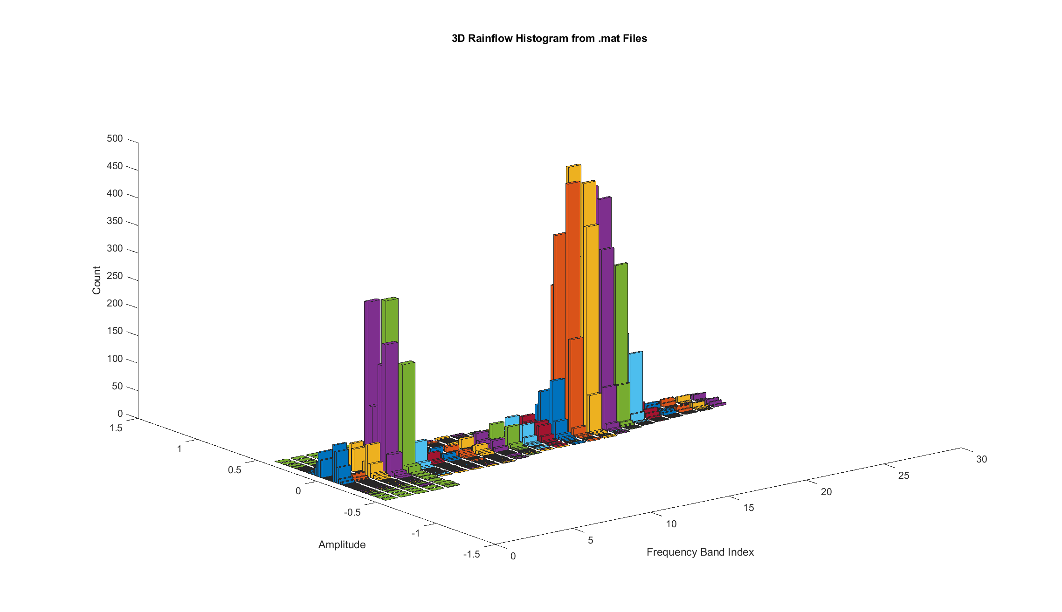
Google US Field Data | Midwest Shuttle
Total Duration: | 15.42 mins
Date: | N/A

Edges (G): | Upper Frequency (hz): | 5 | 9 | 13 | 17 | 21 | 25 | 29 | 33 | 37 | 41 | 45 | 49 | 53 | 57 | 61 | 65 | 69 | 73 | 77 | 81 | 85 | 89 | 93 | 97 | 101
 | Lower Frequency (hz): | 1 | 5 | 9 | 13 | 17 | 21 | 25 | 29 | 33 | 37 | 41 | 45 | 49 | 53 | 57 | 61 | 65 | 69 | 73 | 77 | 81 | 85 | 89 | 93 | 97
-0.46105707424 |  | 0 | 0 | 0 | 0 | 1 | 0 | 0 | 0 | 0 | 0 | 0 | 0 | 0 | 0 | 0 | 0 | 0 | 0 | 0 | 0 | 0 | 0 | 0 | 0 | 0
-0.43834060914 |  | 0 | 0 | 0 | 0 | 0 | 0 | 0 | 0 | 0 | 0 | 0 | 0 | 0 | 0 | 0 | 0 | 0 | 0 | 0 | 0 | 0 | 0 | 0 | 0 | 0
-0.41562414405 |  | 0 | 0 | 0 | 0 | 2 | 0 | 0 | 0 | 0 | 0 | 0 | 0 | 0 | 0 | 0 | 0 | 0 | 0 | 0 | 0 | 0 | 0 | 0 | 0 | 0
-0.39290767895 |  | 0 | 0 | 0 | 0 | 0 | 0 | 0 | 0 | 0 | 0 | 0 | 0 | 0 | 0 | 0 | 0 | 0 | 0 | 0 | 0 | 0 | 0 | 0 | 0 | 0
-0.37019121385 |  | 0 | 0 | 0 | 1 | 0 | 0 | 0 | 0 | 0 | 0 | 0 | 0 | 0 | 0 | 0 | 0 | 0 | 0 | 0 | 0 | 0 | 0 | 0 | 0 | 0
-0.34747474876 |  | 0 | 0 | 0 | 0 | 0 | 0 | 0 | 0 | 0 | 0 | 0 | 0 | 0 | 0 | 0 | 0 | 0 | 0 | 0 | 0 | 0 | 0 | 0 | 0 | 0
-0.32475828366 |  | 0 | 0 | 0 | 0 | 0 | 0 | 0 | 0 | 0 | 0 | 0 | 0 | 0 | 0 | 0 | 0 | 0 | 0 | 0 | 0 | 0 | 0 | 0 | 0 | 0
-0.30204181857 |  | 0 | 0 | 0 | 0 | 0 | 0 | 0 | 0 | 0 | 1 | 0 | 0 | 0 | 0 | 0 | 0 | 0 | 0 | 0 | 0 | 0 | 0 | 0 | 0 | 0
-0.27932535347 |  | 0 | 0 | 0 | 0 | 1 | 1 | 0 | 0 | 0 | 0 | 1 | 0 | 0 | 0 | 0 | 0 | 0 | 0 | 0 | 0 | 0 | 0 | 0 | 0 | 0
-0.25660888837 |  | 0 | 0 | 1 | 1 | 1 | 0 | 0 | 0 | 1 | 0 | 0 | 1 | 0 | 0 | 0 | 1 | 0 | 0 | 0 | 0 | 0 | 0 | 0 | 0 | 0
-0.23389242328 |  | 0 | 0 | 0 | 1 | 1 | 1 | 0 | 1 | 0 | 1 | 1 | 0 | 0 | 1 | 2 | 1 | 2 | 0 | 0 | 0 | 0 | 0 | 0 | 0 | 0
-0.21117595818 |  | 0 | 0 | 0 | 1 | 1 | 0 | 1 | 0 | 0 | 1 | 1 | 1 | 2 | 1 | 0 | 0 | 0 | 2 | 0 | 0 | 0 | 0 | 0 | 0 | 0
-0.18845949308 |  | 1 | 0 | 1 | 3 | 1 | 1 | 0 | 1 | 2 | 0 | 0 | 1 | 2 | 0 | 0 | 0 | 0 | 0 | 1 | 0 | 0 | 0 | 0 | 0 | 0
-0.16574302799 |  | 1 | 1 | 5 | 5 | 1 | 0 | 0 | 0 | 0 | 0 | 0 | 2 | 0 | 2 | 1 | 2 | 2 | 1 | 1 | 1 | 1 | 1 | 0 | 0 | 0
-0.14302656289 |  | 5 | 1 | 6 | 7 | 4 | 2 | 1 | 0 | 0 | 1 | 1 | 0 | 1 | 3 | 5 | 3 | 3 | 2 | 2 | 1 | 0 | 0 | 2 | 2 | 0
-0.1203100978 |  | 8 | 4 | 9 | 28 | 13 | 7 | 0 | 2 | 1 | 4 | 3 | 4 | 6 | 4 | 6 | 6 | 31 | 43 | 4 | 2 | 1 | 1 | 0 | 3 | 6
-0.0975936327 |  | 38 | 12 | 23 | 70 | 37 | 17 | 3 | 3 | 5 | 6 | 7 | 5 | 11 | 11 | 10 | 55 | 217 | 194 | 84 | 7 | 5 | 5 | 7 | 3 | 6
-0.074877167604 |  | 99 | 10 | 69 | 307 | 232 | 48 | 18 | 10 | 10 | 11 | 20 | 37 | 38 | 43 | 93 | 487 | 557 | 526 | 418 | 133 | 15 | 14 | 13 | 15 | 12
-0.052160702508 |  | 17 | 3 | 10 | 59 | 50 | 7 | 4 | 0 | 3 | 3 | 4 | 2 | 10 | 12 | 31 | 93 | 84 | 62 | 62 | 29 | 7 | 1 | 3 | 3 | 0
-0.029444237411 |  | 0 | 0 | 0 | 0 | 0 | 0 | 0 | 0 | 0 | 0 | 0 | 0 | 0 | 0 | 0 | 0 | 0 | 0 | 0 | 0 | 0 | 0 | 0 | 0 | 0
-0.0067277723152 |  | 0 | 0 | 0 | 0 | 0 | 0 | 0 | 0 | 0 | 0 | 0 | 0 | 0 | 0 | 0 | 0 | 0 | 0 | 0 | 0 | 0 | 0 | 0 | 0 | 0
0.015988692781 |  | 0 | 0 | 0 | 0 | 0 | 0 | 0 | 0 | 0 | 0 | 0 | 0 | 0 | 0 | 0 | 0 | 0 | 0 | 0 | 0 | 0 | 0 | 0 | 0 | 0
0.038705157877 |  | 47 | 10 | 47 | 238 | 192 | 42 | 16 | 8 | 7 | 10 | 18 | 22 | 29 | 39 | 87 | 395 | 345 | 325 | 315 | 127 | 17 | 13 | 11 | 6 | 9
0.061421622973 |  | 48 | 17 | 44 | 162 | 107 | 30 | 11 | 4 | 6 | 8 | 12 | 17 | 23 | 22 | 37 | 218 | 421 | 401 | 216 | 42 | 12 | 9 | 9 | 12 | 9
0.08413808807 |  | 21 | 7 | 17 | 41 | 22 | 11 | 0 | 3 | 2 | 3 | 3 | 6 | 7 | 11 | 11 | 33 | 106 | 91 | 39 | 3 | 1 | 1 | 4 | 2 | 4
0.10685455317 |  | 6 | 1 | 7 | 14 | 10 | 1 | 0 | 1 | 3 | 3 | 1 | 3 | 3 | 2 | 3 | 4 | 14 | 17 | 2 | 1 | 1 | 1 | 1 | 3 | 3
0.12957101826 |  | 3 | 1 | 5 | 11 | 4 | 1 | 1 | 0 | 0 | 1 | 2 | 2 | 2 | 1 | 1 | 1 | 3 | 2 | 2 | 1 | 1 | 1 | 1 | 1 | 0
0.15228748336 |  | 3 | 1 | 2 | 2 | 0 | 1 | 0 | 1 | 0 | 1 | 1 | 1 | 1 | 1 | 1 | 1 | 0 | 2 | 0 | 1 | 0 | 0 | 0 | 0 | 0
0.17500394845 |  | 0 | 0 | 0 | 2 | 1 | 2 | 1 | 0 | 0 | 0 | 0 | 0 | 0 | 2 | 2 | 1 | 2 | 0 | 1 | 0 | 0 | 0 | 0 | 0 | 0
0.19772041355 |  | 0 | 0 | 2 | 1 | 1 | 0 | 0 | 1 | 0 | 0 | 0 | 1 | 2 | 0 | 0 | 1 | 0 | 1 | 0 | 0 | 0 | 0 | 0 | 0 | 0
0.22043687865 |  | 0 | 0 | 0 | 0 | 1 | 0 | 0 | 0 | 2 | 0 | 0 | 0 | 0 | 1 | 0 | 0 | 1 | 0 | 0 | 0 | 0 | 0 | 0 | 0 | 0
0.24315334374 |  | 0 | 0 | 0 | 0 | 0 | 0 | 0 | 0 | 0 | 1 | 1 | 1 | 0 | 0 | 1 | 1 | 0 | 0 | 0 | 0 | 0 | 0 | 0 | 0 | 0
0.26586980884 |  | 0 | 0 | 0 | 0 | 0 | 1 | 0 | 0 | 0 | 1 | 1 | 0 | 0 | 0 | 0 | 0 | 0 | 0 | 0 | 0 | 0 | 0 | 0 | 0 | 0
0.28858627394 |  | 0 | 0 | 0 | 1 | 0 | 0 | 0 | 0 | 0 | 0 | 0 | 0 | 0 | 0 | 0 | 0 | 0 | 0 | 0 | 0 | 0 | 0 | 0 | 0 | 0
0.31130273903 |  | 0 | 0 | 0 | 0 | 2 | 0 | 0 | 0 | 0 | 0 | 0 | 0 | 0 | 0 | 0 | 0 | 0 | 0 | 0 | 0 | 0 | 0 | 0 | 0 | 0
0.33401920413 |  | 0 | 0 | 0 | 1 | 0 | 0 | 0 | 0 | 0 | 0 | 0 | 0 | 0 | 0 | 0 | 0 | 0 | 0 | 0 | 0 | 0 | 0 | 0 | 0 | 0
0.35673566922 |  | 0 | 0 | 0 | 0 | 0 | 0 | 0 | 0 | 0 | 0 | 0 | 0 | 0 | 0 | 0 | 0 | 0 | 0 | 0 | 0 | 0 | 0 | 0 | 0 | 0
0.37945213432 |  | 0 | 0 | 0 | 0 | 0 | 0 | 0 | 0 | 0 | 0 | 0 | 0 | 0 | 0 | 0 | 0 | 0 | 0 | 0 | 0 | 0 | 0 | 0 | 0 | 0
0.40216859942 |  | 0 | 0 | 0 | 0 | 0 | 0 | 0 | 0 | 0 | 0 | 0 | 0 | 0 | 0 | 0 | 0 | 0 | 0 | 0 | 0 | 0 | 0 | 0 | 0 | 0
0.42488506451 |  | 0 | 0 | 0 | 0 | 2 | 0 | 0 | 0 | 0 | 0 | 0 | 0 | 0 | 0 | 0 | 0 | 0 | 0 | 0 | 0 | 0 | 0 | 0 | 0 | 0
0.44760152961

ASTM d4169-14 Truck
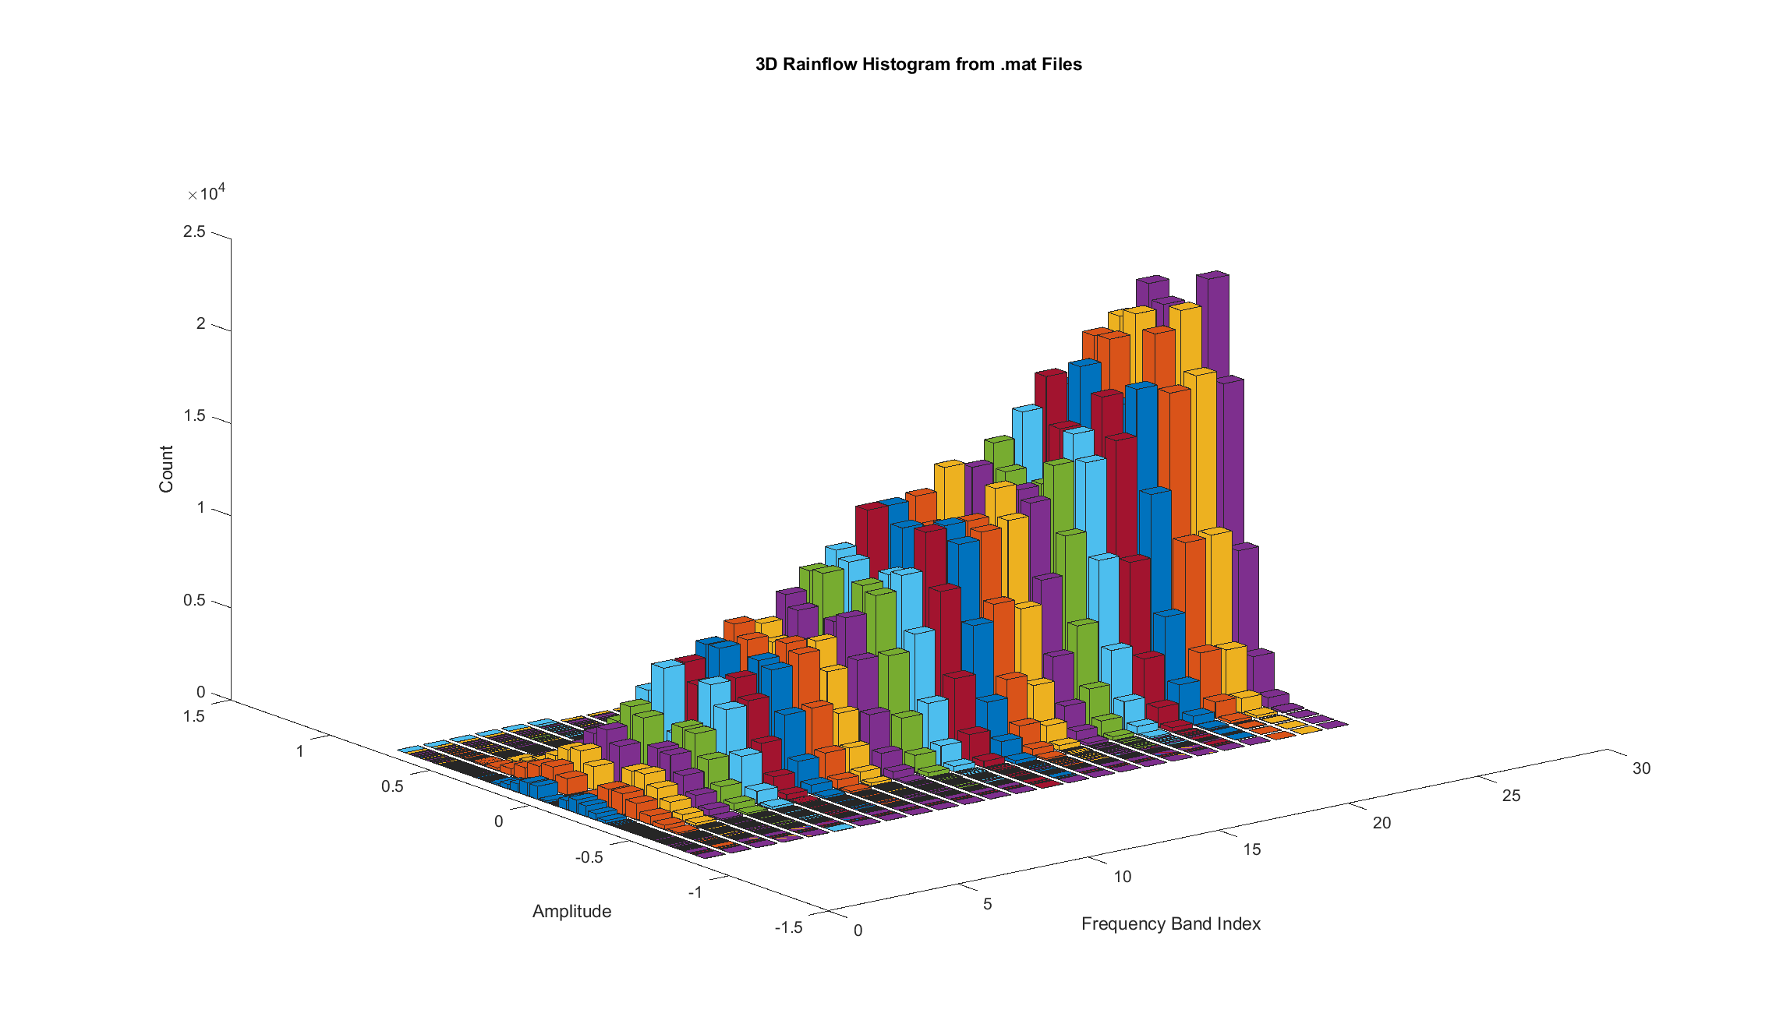
ASTM | d4169-14 Truck Level 2
Total Duration: | 659.28 seconds
Date: | N/A

Edges (G): | Upper Frequency (hz): | 5 | 9 | 13 | 17 | 21 | 25 | 29 | 33 | 37 | 41 | 45 | 49 | 53 | 57 | 61 | 65 | 69 | 73 | 77 | 81 | 85 | 89 | 93 | 97 | 101
 | Lower Frequency (hz): | 1 | 5 | 9 | 13 | 17 | 21 | 25 | 29 | 33 | 37 | 41 | 45 | 49 | 53 | 57 | 61 | 65 | 69 | 73 | 77 | 81 | 85 | 89 | 93 | 97
-0.7605778215 |  | 0 | 0 | 0 | 0 | 0 | 1 | 0 | 0 | 0 | 0 | 0 | 0 | 0 | 0 | 0 | 0 | 0 | 0 | 0 | 0 | 0 | 0 | 1 | 1 | 1
-0.72208055971 |  | 0 | 2 | 0 | 0 | 0 | 1 | 0 | 0 | 0 | 0 | 0 | 0 | 0 | 1 | 1 | 0 | 0 | 0 | 0 | 0 | 0 | 1 | 0 | 0 | 0
-0.68358329793 |  | 0 | 2 | 0 | 0 | 0 | 0 | 0 | 0 | 0 | 0 | 0 | 0 | 1 | 0 | 0 | 0 | 0 | 0 | 0 | 0 | 1 | 2 | 2 | 1 | 0
-0.64508603615 |  | 0 | 2 | 0 | 1 | 1 | 2 | 1 | 2 | 1 | 0 | 0 | 2 | 0 | 3 | 2 | 3 | 0 | 0 | 0 | 1 | 4 | 2 | 2 | 3 | 2
-0.60658877437 |  | 0 | 5 | 3 | 1 | 2 | 1 | 3 | 1 | 1 | 0 | 2 | 0 | 2 | 3 | 5 | 6 | 7 | 0 | 1 | 3 | 3 | 7 | 8 | 9 | 5
-0.56809151259 |  | 0 | 23 | 7 | 5 | 2 | 2 | 7 | 3 | 3 | 1 | 3 | 2 | 6 | 9 | 16 | 8 | 5 | 5 | 3 | 9 | 18 | 28 | 31 | 15 | 10
-0.52959425081 |  | 0 | 31 | 23 | 11 | 8 | 4 | 7 | 4 | 5 | 8 | 13 | 21 | 20 | 27 | 44 | 33 | 22 | 23 | 28 | 40 | 50 | 51 | 54 | 54 | 44
-0.49109698902 |  | 1 | 65 | 42 | 23 | 37 | 21 | 11 | 24 | 25 | 17 | 29 | 40 | 56 | 92 | 97 | 84 | 77 | 55 | 74 | 95 | 137 | 154 | 149 | 143 | 102
-0.45259972724 |  | 2 | 76 | 91 | 57 | 47 | 46 | 52 | 53 | 57 | 68 | 83 | 113 | 144 | 208 | 244 | 200 | 159 | 164 | 189 | 247 | 313 | 342 | 385 | 317 | 245
-0.41410246546 |  | 5 | 146 | 181 | 139 | 135 | 109 | 104 | 151 | 165 | 169 | 240 | 283 | 364 | 441 | 553 | 476 | 371 | 379 | 468 | 596 | 659 | 780 | 773 | 754 | 591
-0.37560520368 |  | 13 | 208 | 251 | 267 | 274 | 233 | 245 | 285 | 333 | 373 | 468 | 597 | 724 | 977 | 1045 | 948 | 852 | 830 | 948 | 1145 | 1350 | 1483 | 1497 | 1398 | 1245
-0.3371079419 |  | 40 | 312 | 460 | 440 | 466 | 498 | 498 | 620 | 776 | 886 | 912 | 1093 | 1341 | 1623 | 1715 | 1702 | 1533 | 1590 | 1781 | 2101 | 2336 | 2435 | 2592 | 2610 | 2393
-0.29861068011 |  | 74 | 420 | 609 | 766 | 831 | 880 | 960 | 1186 | 1377 | 1599 | 1730 | 1992 | 2335 | 2736 | 3006 | 2801 | 2722 | 2765 | 3163 | 3541 | 3899 | 4238 | 4320 | 4283 | 4304
-0.26011341833 |  | 168 | 566 | 788 | 1054 | 1291 | 1457 | 1579 | 1952 | 2194 | 2462 | 2782 | 3054 | 3613 | 3981 | 4166 | 4306 | 4315 | 4504 | 4907 | 5357 | 5834 | 6265 | 6463 | 6591 | 6236
-0.22161615655 |  | 303 | 658 | 1043 | 1380 | 1784 | 2009 | 2328 | 2841 | 3234 | 3446 | 3889 | 4351 | 4705 | 5243 | 5538 | 5782 | 5962 | 6468 | 6954 | 7350 | 7828 | 8076 | 8475 | 8728 | 9007
-0.18311889477 |  | 436 | 648 | 1150 | 1642 | 2095 | 2529 | 3114 | 3566 | 4057 | 4487 | 4881 | 5222 | 5763 | 6081 | 6332 | 6879 | 7547 | 8041 | 8440 | 8914 | 9183 | 9472 | 9890 | 10296 | 11008
-0.14462163299 |  | 556 | 624 | 1112 | 1663 | 2177 | 2828 | 3447 | 3831 | 4261 | 4868 | 5269 | 5623 | 6015 | 6168 | 6624 | 7171 | 8010 | 8711 | 9164 | 9426 | 9479 | 9710 | 10113 | 10871 | 11507
-0.10612437121 |  | 574 | 508 | 902 | 1433 | 1960 | 2655 | 3154 | 3506 | 3837 | 4226 | 4698 | 5134 | 5240 | 5227 | 5445 | 6234 | 7203 | 7746 | 7986 | 7895 | 8092 | 8465 | 8782 | 9307 | 10010
-0.067627109424 |  | 193 | 215 | 299 | 524 | 713 | 933 | 1133 | 1287 | 1350 | 1544 | 1719 | 1837 | 1795 | 1815 | 1971 | 2276 | 2520 | 2802 | 2781 | 2894 | 2943 | 2838 | 3004 | 3177 | 3579
-0.029129847642 |  | 0 | 0 | 0 | 0 | 0 | 0 | 0 | 0 | 0 | 0 | 0 | 0 | 0 | 0 | 0 | 0 | 0 | 0 | 0 | 0 | 0 | 0 | 0 | 0 | 0
0.0093674141399 |  | 0 | 0 | 0 | 0 | 0 | 0 | 0 | 0 | 0 | 0 | 0 | 0 | 0 | 0 | 0 | 0 | 0 | 0 | 0 | 0 | 0 | 0 | 0 | 0 | 0
0.047864675922 |  | 484 | 419 | 740 | 1229 | 1618 | 2138 | 2677 | 2852 | 3074 | 3480 | 3827 | 4134 | 4166 | 4092 | 4437 | 4969 | 5758 | 6350 | 6515 | 6387 | 6545 | 6744 | 7045 | 7422 | 8328
0.086361937704 |  | 563 | 561 | 1005 | 1560 | 2136 | 2817 | 3311 | 3771 | 4207 | 4669 | 5074 | 5515 | 5723 | 5878 | 6167 | 6928 | 7756 | 8420 | 8684 | 8963 | 8968 | 9169 | 9585 | 10263 | 10901
0.12485919949 |  | 542 | 673 | 1120 | 1632 | 2216 | 2704 | 3335 | 3732 | 4150 | 4688 | 5271 | 5588 | 6041 | 6276 | 6613 | 7154 | 7932 | 8553 | 9062 | 9193 | 9426 | 9814 | 10258 | 10668 | 11508
0.16335646127 |  | 352 | 704 | 1109 | 1550 | 1932 | 2366 | 2749 | 3359 | 3746 | 4090 | 4463 | 4827 | 5293 | 5727 | 6012 | 6431 | 6951 | 7410 | 7793 | 8295 | 8663 | 8935 | 9327 | 9886 | 10077
0.20185372305 |  | 230 | 565 | 961 | 1236 | 1533 | 1771 | 1986 | 2338 | 2765 | 2992 | 3290 | 3708 | 4203 | 4582 | 4952 | 5030 | 5075 | 5530 | 5957 | 6396 | 6973 | 7330 | 7512 | 7498 | 7781
0.24035098483 |  | 130 | 493 | 730 | 924 | 1022 | 1128 | 1296 | 1557 | 1779 | 1958 | 2183 | 2584 | 3004 | 3419 | 3547 | 3542 | 3480 | 3520 | 3970 | 4431 | 4800 | 5140 | 5328 | 5529 | 5224
0.27884824661 |  | 51 | 379 | 518 | 600 | 688 | 653 | 699 | 896 | 1016 | 1268 | 1351 | 1454 | 1809 | 2148 | 2304 | 2249 | 2155 | 2179 | 2472 | 2780 | 3097 | 3311 | 3458 | 3403 | 3293
0.31734550839 |  | 19 | 252 | 321 | 351 | 360 | 352 | 343 | 416 | 536 | 594 | 653 | 839 | 969 | 1291 | 1398 | 1272 | 1137 | 1164 | 1291 | 1628 | 1835 | 1929 | 2024 | 1973 | 1736
0.35584277018 |  | 10 | 189 | 241 | 190 | 184 | 167 | 154 | 204 | 250 | 253 | 340 | 407 | 548 | 659 | 735 | 707 | 589 | 572 | 667 | 803 | 927 | 1080 | 1077 | 1002 | 870
0.39434003196 |  | 4 | 111 | 127 | 84 | 85 | 65 | 80 | 105 | 94 | 96 | 156 | 182 | 224 | 307 | 388 | 318 | 254 | 271 | 322 | 390 | 462 | 534 | 555 | 523 | 422
0.43283729374 |  | 0 | 60 | 55 | 39 | 44 | 28 | 27 | 35 | 39 | 43 | 45 | 71 | 102 | 136 | 153 | 125 | 106 | 95 | 125 | 157 | 222 | 238 | 249 | 230 | 137
0.47133455552 |  | 1 | 46 | 40 | 17 | 21 | 15 | 11 | 11 | 11 | 15 | 18 | 33 | 32 | 59 | 66 | 64 | 38 | 29 | 47 | 66 | 79 | 93 | 93 | 79 | 67
0.5098318173 |  | 0 | 26 | 13 | 6 | 4 | 4 | 5 | 2 | 4 | 4 | 9 | 7 | 14 | 17 | 33 | 12 | 12 | 13 | 9 | 21 | 32 | 37 | 40 | 37 | 26
0.54832907908 |  | 0 | 10 | 4 | 3 | 3 | 3 | 6 | 2 | 1 | 0 | 1 | 3 | 2 | 5 | 4 | 10 | 8 | 3 | 1 | 8 | 11 | 18 | 19 | 14 | 7
0.58682634087 |  | 0 | 9 | 1 | 1 | 1 | 1 | 2 | 2 | 1 | 0 | 1 | 0 | 2 | 2 | 5 | 4 | 2 | 0 | 1 | 2 | 4 | 5 | 5 | 3 | 2
0.62532360265 |  | 0 | 2 | 0 | 0 | 0 | 1 | 0 | 1 | 1 | 0 | 0 | 1 | 1 | 1 | 1 | 1 | 0 | 0 | 0 | 0 | 1 | 1 | 1 | 0 | 0
0.66382086443 |  | 0 | 2 | 0 | 0 | 0 | 0 | 0 | 0 | 0 | 0 | 0 | 0 | 0 | 2 | 1 | 0 | 0 | 0 | 0 | 0 | 1 | 1 | 1 | 0 | 1
0.70231812621 |  | 0 | 0 | 0 | 0 | 0 | 0 | 0 | 0 | 0 | 0 | 0 | 0 | 0 | 0 | 0 | 0 | 0 | 0 | 0 | 0 | 0 | 1 | 1 | 2 | 1
0.74081538799 |  | 0 | 0 | 0 | 0 | 0 | 1 | 0 | 0 | 0 | 0 | 0 | 0 | 0 | 0 | 0 | 0 | 0 | 0 | 0 | 0 | 0 | 0 | 0 | 0 | 0
0.77931264978

